Sheet1
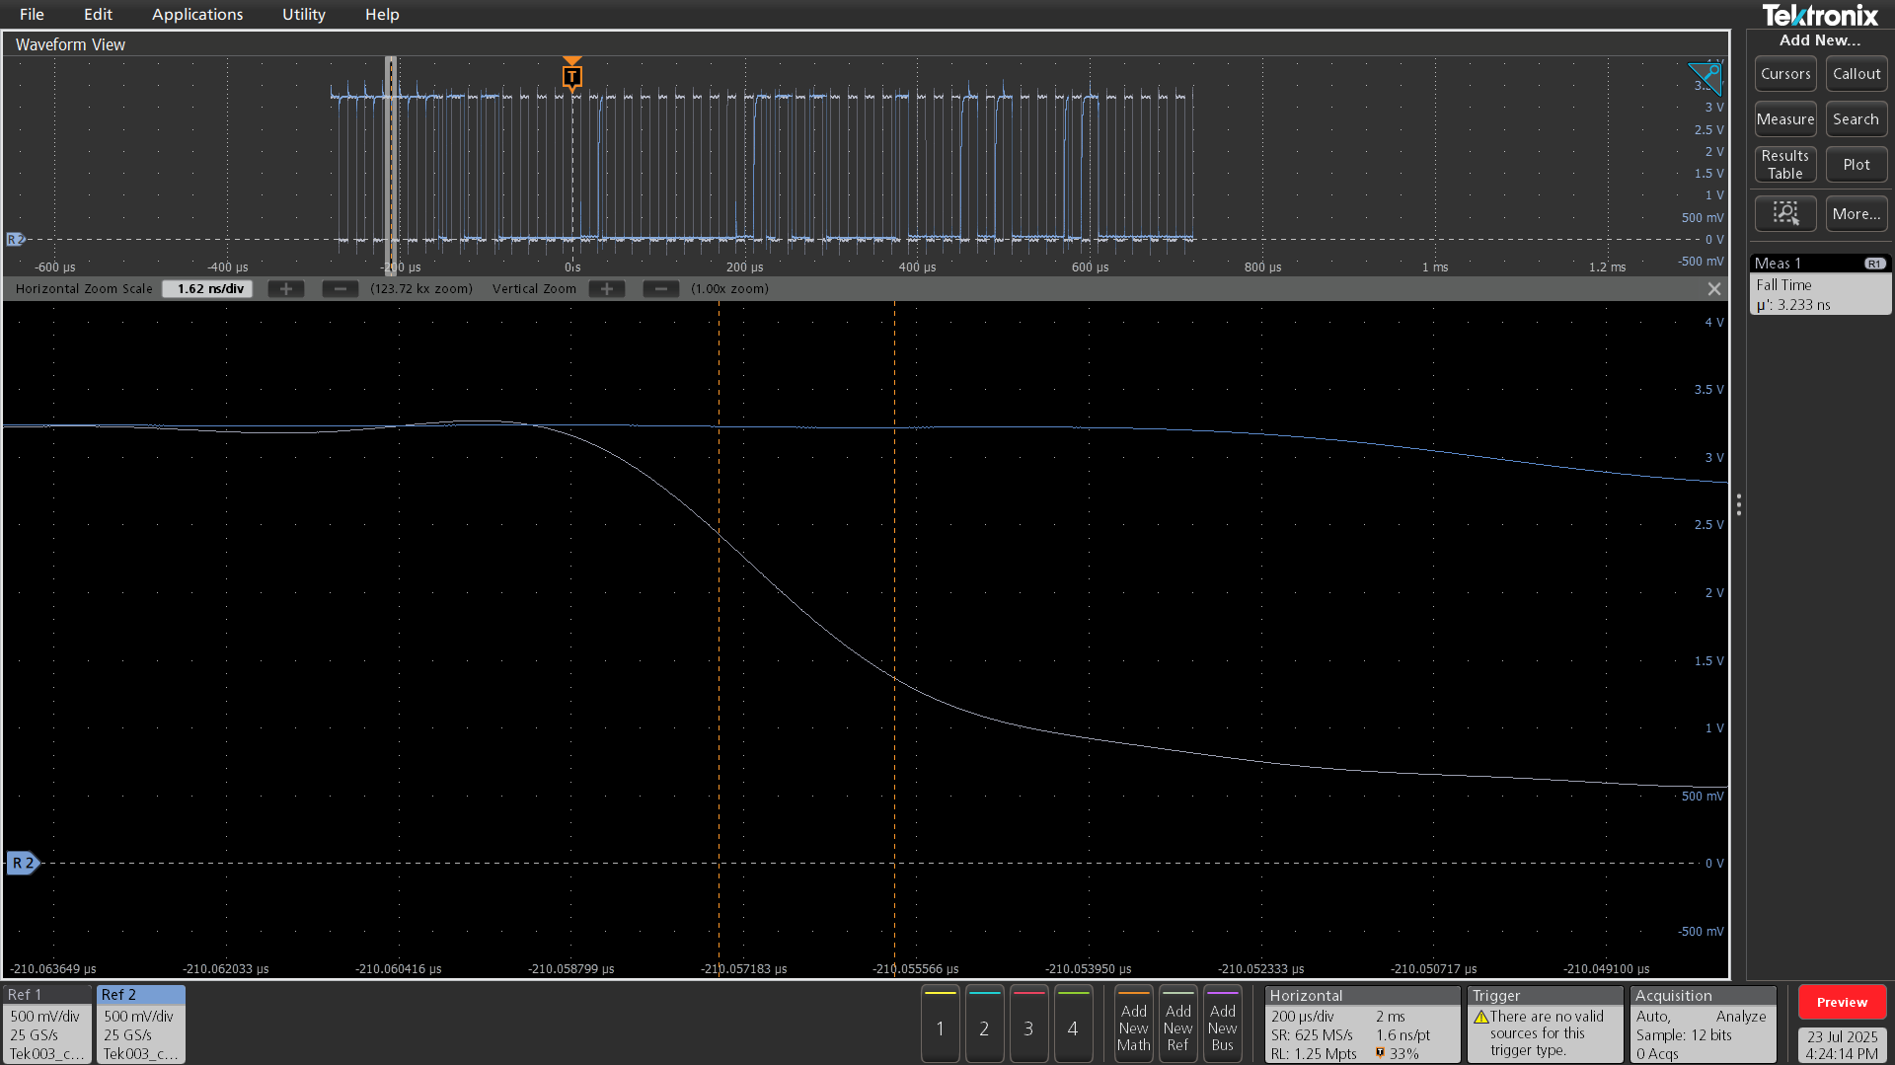
Test Item | Measured Data
SCL_Maximum | 3.45
SCL_Minimum | -0.372
SCL_Top | 3.221
SCL_Base | -0.05
SDA_Maximum | 3.402
SDA_Minimum | -0.248
SDA_Top | 3.259
SDA_Base | 0.029
SCL Frequency | 50.001
SCL Positive_Pulse_Width | 9.985
SCL Negative_Pulse_Width | 9.997
SCL_Rise | 14.331
SCL_Fall | 16.648
SDA_Rise | 14.309
SDA_Fall | 16.643
SDA Setup Time | 4.985
SDA Hold Time | 4.997
Start Hold Time | 4.996
Stop Setup Time | -9679.75

 | Voltage | Frequency
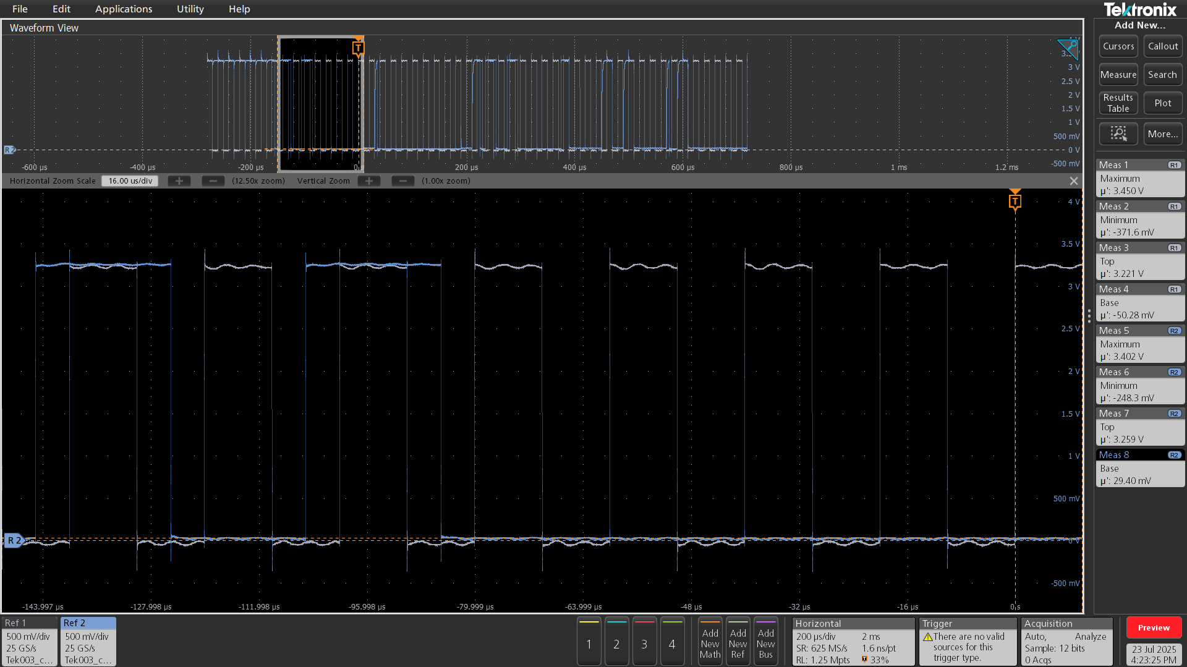
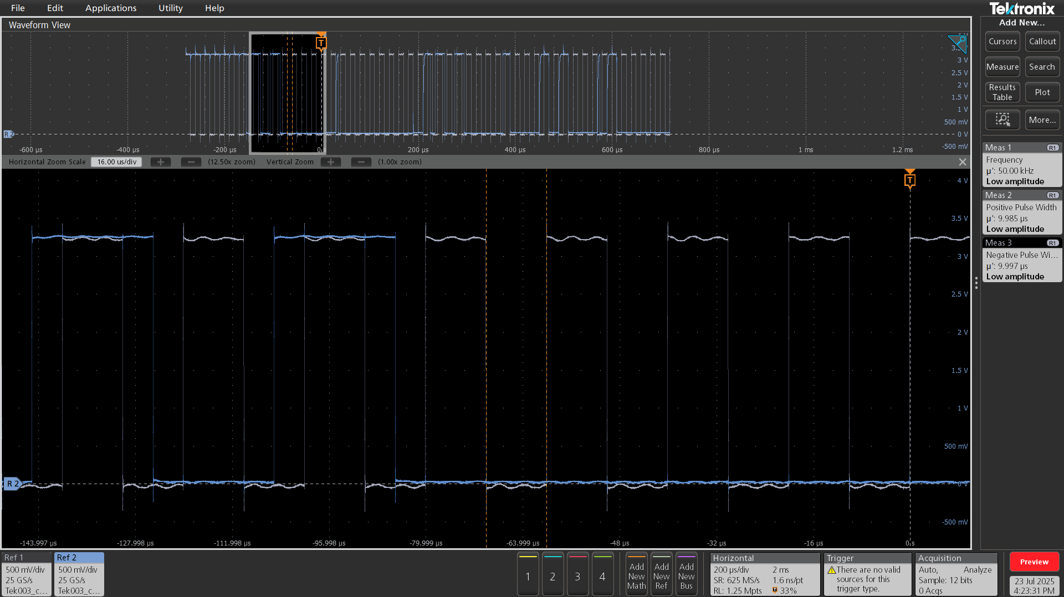

 | Rise Fall Time | Setup Time
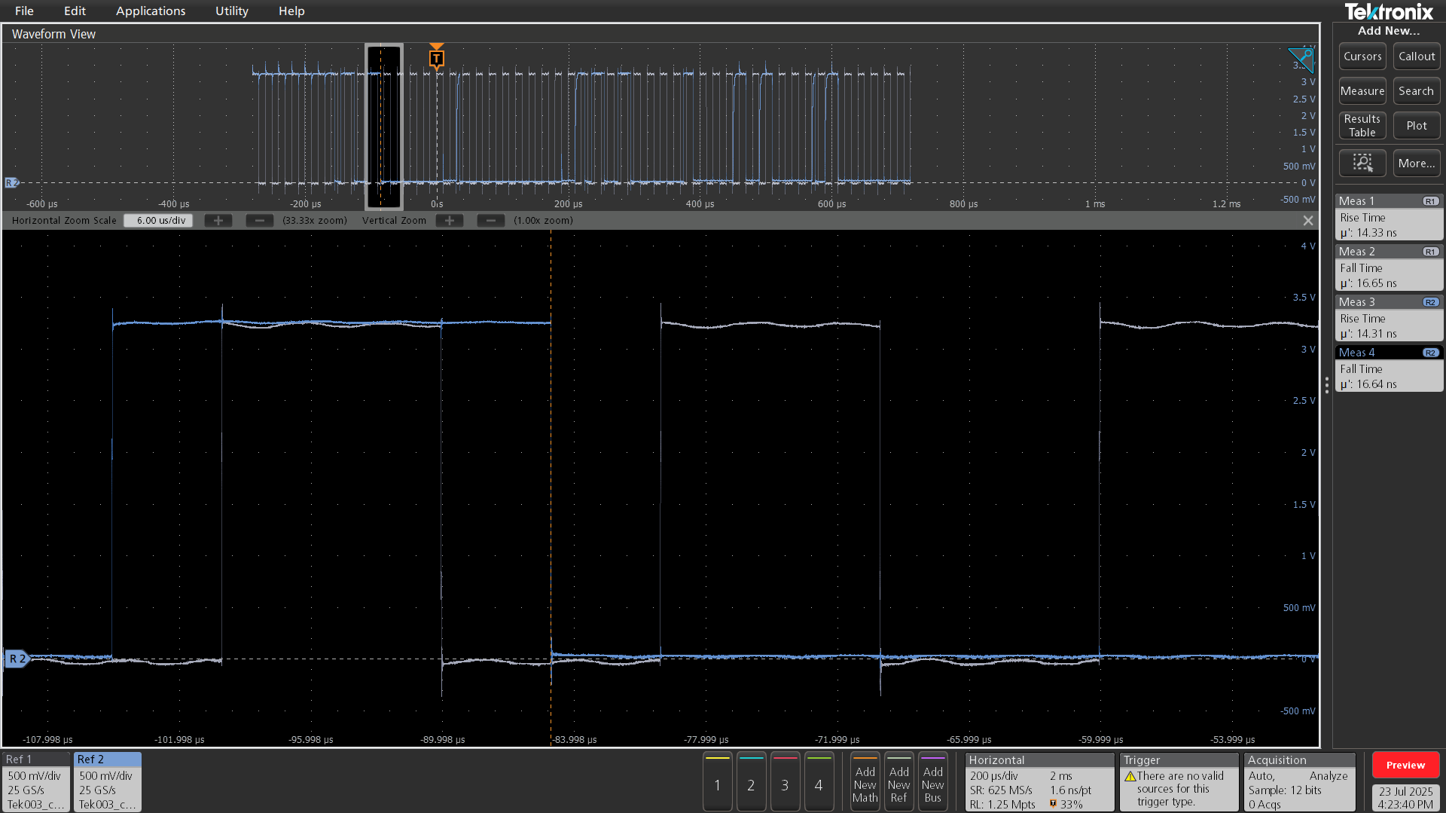
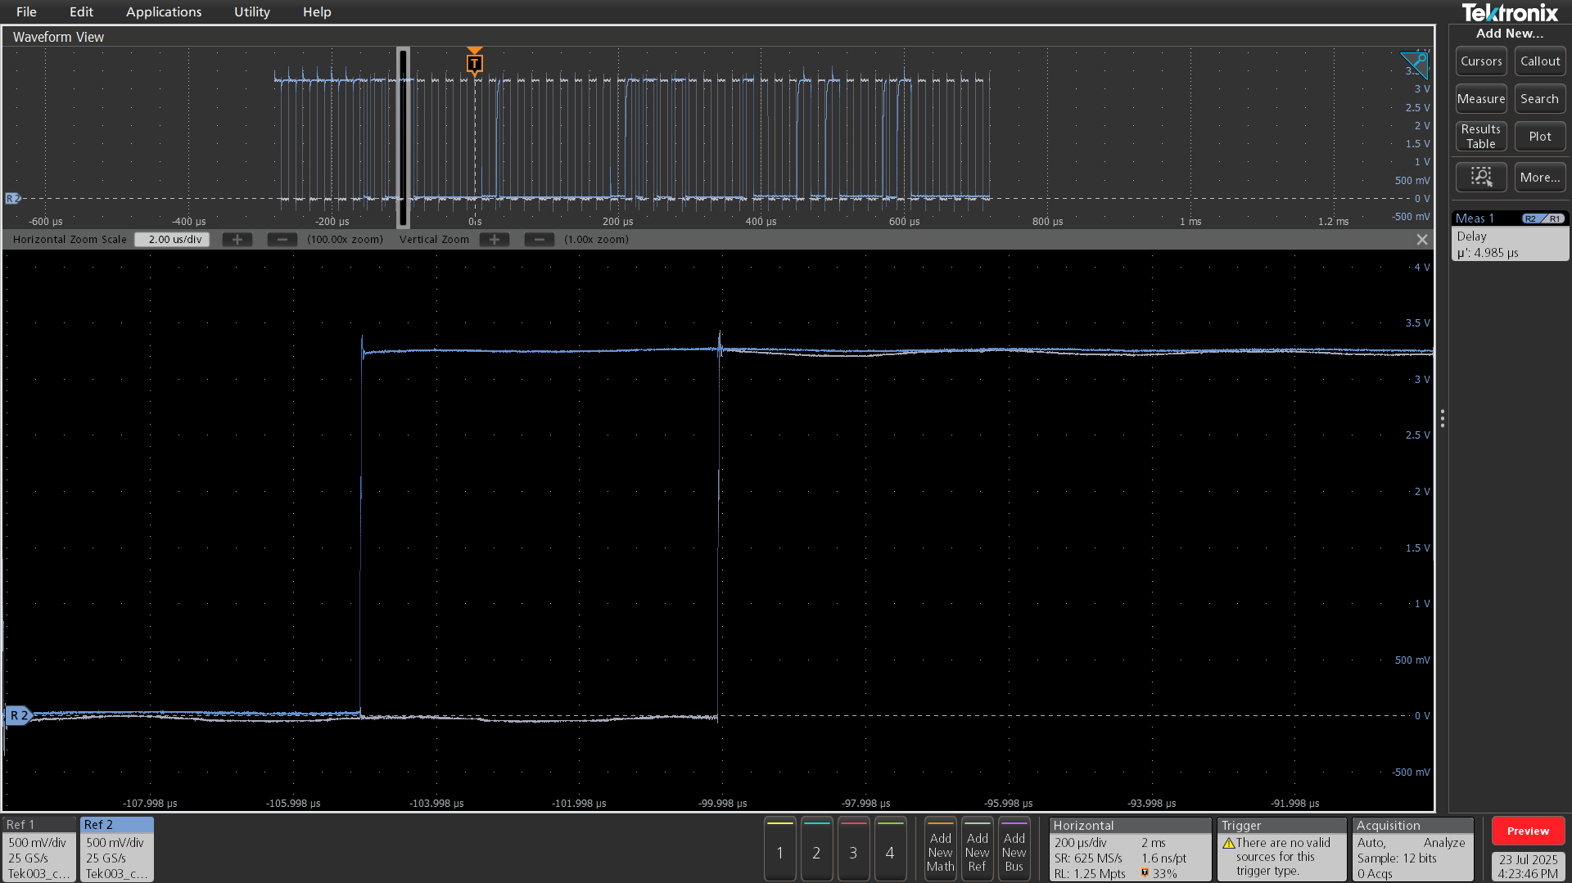

 | Hold Time | Start Hold Time



 | Stop Setup Time | Rise Time



 | Fall Time

